Instructions
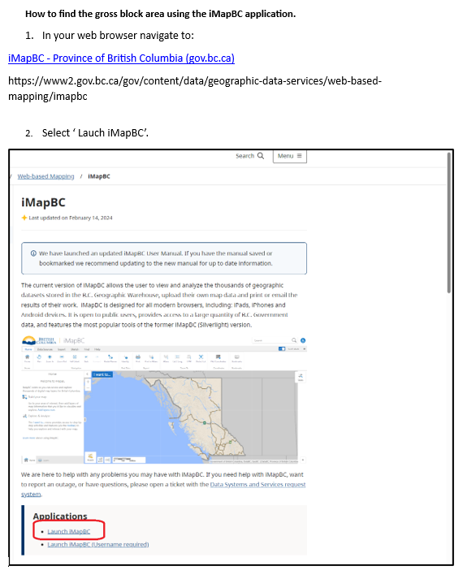
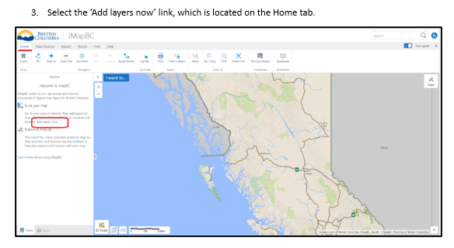
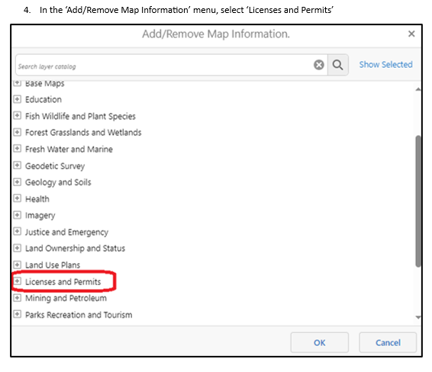
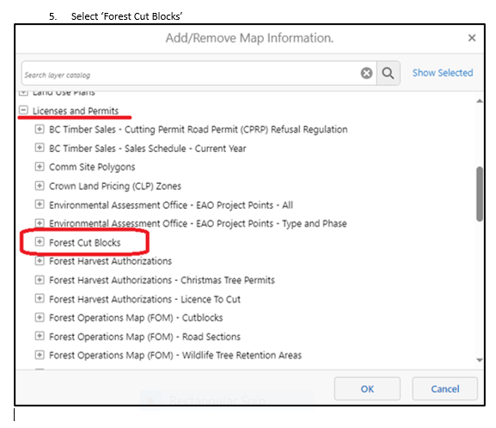
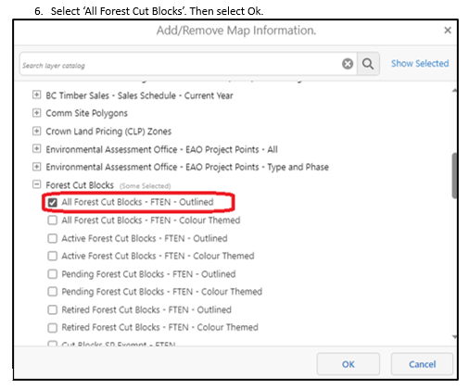
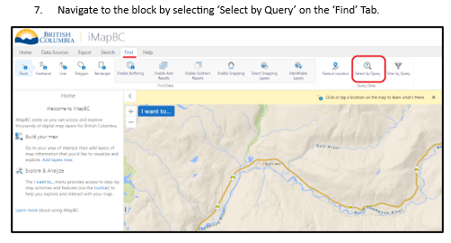
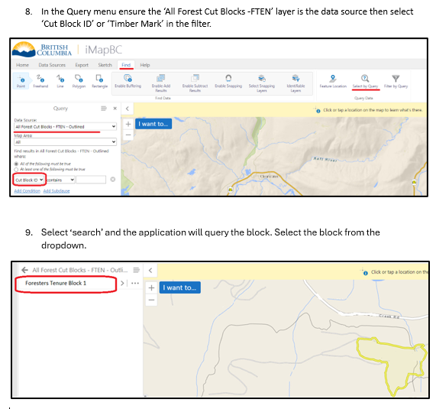
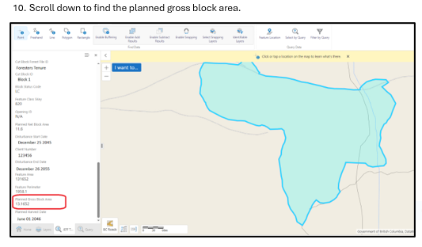
Instructions for Filling Out the Provincial Waste Area Calculator

Basic Overview: How to Use the Provincial Waste Area Calculator Below is a basic overview how to use the Provincial Waste Area Calculator. If there is any descrepency between this calculator and the policy or procedures in the Waste and Residue Procedures Manual, the Manual will be deemed as correct. For more detailed information on the data requirements for each field scoll down below these instructions for individual cell parameters and descriptions. Note: some information is collected during the field survey and this form can be uploaded and edited on a tablet for field use as long as the tablet has an application that can run/edit excel documents. Step 1: Fill out the Interior or Coast Area Summary tab: Choose only one tab to fill out based on whether the survey is being completed in the Interior or Coast Area. All the applicable header information is required to be filled in. Next fill in the all relevant information in the WAA Area Summary on the tab (ensure you choose the correct Net or Gross starting area). Fill in the timbermark information next. After that, go to the stratum information and fill out the applicable stratum codes, number of plots and actual interplot spacings used in the survey that are present in the WAA. Most stratum information will auto-fill when the related stratum tab information is filled in. If stratums exist in the WAA, but are not listed in the stratum list, then manually enter the stratum information and associated areas in the rows titled 'Other Stratum (specify')'. Lastly fill in the Road Stratum Widths information at the bottom of the tab - these are used to aid in calculation of all related road surface, road permit, external road, roadside stratum information when combined with the 'Road Lengths and Areas' tab. Step 2: Fill out Road Lengths and Areas tab: Fill in all internal and external road information by section. Ensure all information for each road section is correctly entered as it will impact calculations and dist

Interior and Coast Waste Area Calculator tab fields
Field | Instructions | Comments
Header Information
Licence | Enter the licence number for the cutblock
Cutting Permit | Enter the CP for the cutblock
Cutblock ID | Enter the cutblock ID for the cutblock
Reporting Unit # | Enter the reporting unit number for the submission in the Waste System
District | Enter the district where the cutblock is located
Licensee | Enter the licensee name
Client # | Enter the licensee's client code number
Survey Date | The date the field survey started on the waste assessment area. | YYYY-MM-DD
BEC Zone - Interior Only | Interior Only: Enter the primary BEC zone for the cutblock
BEC Subzone/Variant - Interior Only | Interior Only: Enter the primary BEC variant for the cutblock
Waste Benchmark (m3/ha) | Interior: This field auto-populates based on the BEC zone and variant entered. Coast: This field auto-populates based on the Maturity, Heli Logging and Harvest Method data entered. | If this field is blank after entering BEC zone and variant then the combination entered is invalid.
Benchmark Zone - Interior Only | Interior Only: This field auto-populates based on the BEC zone and variant entered. | If this field is blank after entering BEC zone and variant then the combination entered is invalid.
Maturity - Coast Only | Coast Only: Enter whether the cutblock is Mature or Immature.
Heli Logging - Coast Only | Coast Only: If the cutblock was harvested using a helicopter enter 'Yes', if not then enter 'No'.
FRZ Applicable - Coast Only | Coast Only: If the cutblock is located within the Fibre Recovery Zone and is applicable to FRZ 1X or FRZ 3X rates, then select 'Yes', otherwise select 'No'.
Cable Yarding (ha) - Coast Only | Coast Only: If the cutblock was not heli logged and is mature then enter the applicable area (ha) that was harvested using cable yarding. | Leave blank or use 0.00ha if block is immature
Ground Based (ha) - Coast Only | Coast Only: If the cutblock was not heli logged and is mature then enter the applicable area (ha) that was harvested using ground based systems. | Leave blank or use 0.00ha if block is immature
Skyline Logging (ha) - Coast Only | Coast Only: If the cutblock was not heli logged and is mature then enter the applicable area (ha) that was harvested using skyline logging. | Leave blank or use 0.00ha if block is immature
BCTS Advertised Date - Coast Only | Coast BCTS Cutting Authorities Only: The Issue Date shown in the BC Bid application. | Leave blank for non-BCTS cutting authorities. YYYY-MM-DD
Harvest Start Date - Coast Only | Coast Only for Non-BCTS cutting authorities: The date on which the cutting of primary timber on a cutblock has commenced. It does not include cutting of RoW timber. | Leave blank for BCTS cutting authorities. YYYY-MM-DD
Sampling System Used | Select the sampling system used in the sample plan.
PLC Date | Enter the Primary Logging Complete Date for the cutblock | YYYY-MM-DD
Year Logged From | The year primary logging started for the cutblock.
Year Logged To | The year primary logging was completed for the cutblock.
Condition - Interior Only | Default to 'Normal'.
Harvest Status | Select 'Complete' if all cutblock harvesting is complete; select 'Incomplete' if harvesting is partially completed.
Starting Point Interval Factor (SPIF%) | Select the SPIF% for the year/month of the PLC date for the cutblock from the SPIF list on the Ministry webpage. | Forest Residue and Waste - Province of British Columbia (gov.bc.ca)
WAA Area Summary
When Choosing "Starting Area (ha) = Net" | For fully harvested appraised cutblocks use the net cruise area. For TSLs, Woodlots, etc. with External Roads not under road permit, the net cruise area must include all internal road right of way areas that are not under road permit.
 | For partially harvested appraised cutblocks, use the net cruise area of the harvested section of the cutblock that will be surveyed.
 | For non-appraised cutblocks, use the the traversed net harvest area of the cutblock to be surveyed. The traversed net harvest area must include all internal road right of way areas that are not under road permit.
When Choosing "Starting Area (ha) = Gross" | For fully harvested appraised cutblocks use the gross block area from iMapBC (see further iMap instructions on how to determine the Gross Area at the bottom of these instructions). | Refer to bottom of Instructions tab for detailed instructions on how to determine Gross Area using iMapBC | iMapBC Link
 | For partially harvested appraised cutblocks, use the gross area of the harvested section of the cutblock that will be surveyed. | For the gross area calculation, include all reserves, NP, road right of ways that are within or directly adjacent to the harvested area.
 | For non-appraised cutblocks, use the the traversed gross harvest area of the cutblock to be surveyed. The traversed gross harvest area must include all internal road right of way areas that are not under road permit as well as any associated retention and non-productive areas. | For the gross area calculation, include all reserves, NP, road right of ways that are within or directly adjacent to the harvested area.
Total Reserve and Retention Areas (ha) | Combined total of all WTPs, WTRAs, or other Reserves that are part of the Gross Harvest Area, but are reserved from harvesting. For Partially Harvested WAAs, only include Reserve and Retention Areas that fall with in the survey area.
Total NP Areas (ha) (excluding road related NP areas) | Do not include road related NP areas as they are calculated on the 'Road Lengths and Areas' tab and 'Pull Outs and Landings' tab.
Additional Areas with Waste Present (ha) | Additional areas not included in cut block or road permit area (ie. off site landings), which contain waste.
Gross Internal Road Permit Area (ha) | Total gross internal road permit right of way areas. Auto-filled from 'Road Lengths and Areas' tab.
Gross External Road Permit Area (ha) | Total gross external road permit right of way areas. Auto-filled from 'Road Lengths and Areas' tab.
Gross Non-Road Permit RoW 'Not Accounted For' (ha) | Total gross external and internal road right of way areas not associated with a road permit that were not included in the initial 'Starting Area'. Auto-filled from 'Road Lengths and Areas' tab.
Total Road Surface Area (ha) | Total for internal and external Road surface area. Auto-filled from 'Road Lengths and Areas' and 'Pull Outs and Landings' tabs.
WAA Net Waste Area (ha) | Auto calculated total net waste area for the cutblock, road permit and any additional areas with waste present. | This is the total area for this WAA's waste submission.
Timber Mark Area Information
Primary Mark | Enter the Primary Mark information. This is the final area for the cutblock in the waste submission for a multi-mark submission.
Secondary Mark | If applicable, enter the Secondary Mark information. This is the final area for the secondary mark in the waste submission for a multi-mark submission.
Road Permit Mark | If applicable, enter the Road Permit Mark information. This is the final area for the road permit in the waste submission for a multi-mark submission.
Total Timber Mark Net Waste Area (ha) | This is the total net waste area for the Waste submission.
Stratum Information
Dispersed | Enter the appropriate stratum codes from the drop down lists. Area is autocalculated based on the area information entered for other stratum types. | If no dispersed stratum is present then leave these fields blank. NOTE: If there are more than one dispersed stratum in the cutblock, then enter one dispersed stratum in this field and enter the second dispersed stratum in one of the 'Other Stratum (Specify)' field. Note that when using the 'Other Stratum (Specify)' field, it will not calculate the stratum area or grid spacing distance automatically therefore Users must calculate them manually and enter the results in the spreadsheet 'Comments' section.
Roadside | Enter the appropriate stratum codes from the drop down lists. Area is autocalculated based on the 'Roadside Stratum' tab. | If no roadside stratum is present then leave these fields blank
Pile Stratum 1 | Enter the appropriate stratum codes from the drop down lists. For burnt pile stratum types use stratum code 'POEM'. Refer to the Waste Manual for all other pile stratum coding and measurement requirements. Area is autocalculated based on the pile size information on the 'Pile Stratum 1' tab. | If no pile stratum is present then leave these fields blank. Stratum description can be changed by selecting from drop down list on 'Pile Stratum' tab header
Pile Stratum 2 | Enter the appropriate stratum codes from the drop down lists. For burnt pile stratum types use stratum code 'POEM'. Refer to the Waste Manual for all other pile stratum coding and measurement requirements. Area is autocalculated based on the pile size information on the 'Pile Stratum 2' tab. | If no second pile stratum is present then leave these fields blank. Stratum description can be changed by selecting from drop down list on 'Pile Stratum' tab header
Cold Deck Stratum | Enter the appropriate stratum codes from the drop down lists. Area is autocalculated based on the area information entered for other stratum types. | If no cold deck stratum is present then leave these fields blank
Individual Standing Trees | Enter the appropriate stratum codes from the drop down lists. Area is autocalculated based on the area information entered for other stratum types. | If no individual standing tree stratum is present then leave these fields blank
Standing Tree Patches | Enter the appropriate stratum codes from the drop down lists. Area is autocalculated based on the area information entered for other stratum types. | If no standing tree patches of waste present then leave these fields blank
Other Stratum (Specify) | Edit the 'Other Stratum (Specify) field to describe stratum type. Enter the appropriate stratum codes from the drop down lists. Area is manually entered by User. | If no additional stratums are present then leave these fields blank. Ensure that appropriate notes are made in the 'Comments' section to support the calculations and grid spacing distance for stratums in this field as
# of Plots in the WAA for each Stratum Type | Enter the # of plots for each dispersed, roadside and pile stratums for the cutblock as outlined in the sample plan. | For aggregates, only enter the plots allocated to each stratum in the cutblock, not all the plots in the population.
Calculated Inter-Plot Spacing (m) | Auto-calculated based on the number of plots and the stratum area. This field will update anytime the stratum area is updated.
Actual Inter-Plot Spacing Used (m) | Enter the inter-plot spacing used to generate the sample plan map.
'Actual Inter-Plot Spacing' X SPIF% (m) | This value is used for mapping your plots. See Waste Manual for more details.
Total # of Piles | Auto-calculated based on the number of piles entered on the 'Pile Stratum 1' and 'Pile Stratum 2' tab.
Road Stratum Widths
Average Built Road Running Surface Width (m) | Enter the average total built road running surface width (in meters) for all roads within the cut block and road permit areas.
External Road RoW Width (total width in m) | Enter the average total road right of way width (in meters) for all external roads associated with harvesting of the cutblock. | Do not include external roads that have already had a waste assessment submitted.
Roadside Stratum Width (1 sided in m) | Enter the average roadside stratum width (one-sided in meters), where applicable. | Do not include a stratum width if it is not present in the sample plan.
Road Permit (internal to block) RoW Width (total m) | Enter the average total road right of way width (in meters) for all internal roads associated with harvesting of the cutblock. | Do not include an internal road permit width if it is not present.
Comments | Enter any applicable comments that may be useful for auditing.

Road Lengths and Areas tab fields
Field | Instructions | Comments
Header Information
External Road Permit Area | Road permit area breakdown which includes only external road permit area and road surfaces. Auto-calculated based on information entered on this tab.
Internal Road Permit Area | Road permit area breakdown which includes only internal road permit area and road surfaces. Auto-calculated based on information entered on this tab.
Total Road Permit Area | Road permit area breakdown which includes both internal and external road permit areas and road surfaces. Auto-calculated based on information entered on this tab.
External Non-RP RoW Area | Non-Road permit area breakdown which includes only external road permit area and road surfaces. Auto-calculated based on information entered on this tab.
Internal Non-RP RoW Area | Non-Road permit area breakdown which includes only internal road permit area and road surfaces. Auto-calculated based on information entered on this tab.
Total Non-RP RoW Area | Non-Road permit area breakdown which includes both internal and external road permit areas and road surfaces. Auto-calculated based on information entered on this tab.
Total Road Surface Area - excluding landings and pull outs (ha) | Total road surface area of all internal and external roads. Auto-calculated based on information entered on this tab.
Average Built Road Running Surface Width (m) | Auto-filled average built road running surface width entered on the 'Waste Area Calculator' tab under the 'Road Stratum Widths' section.
External Road RoW Width (total width in m) | Auto-filled external road right of way width entered on the 'Waste Area Calculator' tab under the 'Road Stratum Widths' section.
Roadside Stratum Width (1 sided in m) | Auto-filled roadside stratum width width entered on the 'Waste Area Calculator' tab under the 'Road Stratum Widths' section.
Road Permit (internal to block) RoW Width (total m) | Auto-filled average road permit right of way width entered on the 'Waste Area Calculator' tab under the 'Road Stratum Widths' section.
Road Data Entry Fields
Road Name for Section of Road Assessed | Enter the road name for the section in which the data is entered for.
Road Section 'Accounted For' with the 'Starting Area'? | If this section of road was included in the 'Starting Area' on the Waste Area Calculator tab then select 'Yes' otherwise select 'No' if the area has not been accounted for in the 'Starting Area' on the Waste Area Calculator tab. | See 'Starting Area' instructions for more details.
Road Section Associated with the Road Permit Area? | If this section of road is associated with a road permit enter 'Yes', if it is associated with the cutting authority for the cutblock enter 'No'. | Do not enter a section of road with both road permit and non-road permit sections on the same line of date - create separate entries.
Is This Section Internal to Block or External to Block? | If this section of road is Internal to the cutblock enter 'Internal', if it is external to the cutblock enter 'External'. | Do not enter a section of road with both internal and external sections on the same line of date - create separate entries.
Is This Section Part of a Roadside Stratum? | If this section of road has a roadside stratum on one or both sides of the road enter 'Yes', otherwise enter 'No'. | Do not enter a section of road with both roadside stratum sections and non-roadside stratum sections on the same line of date - create separate entries.
Section Starts from Road Station (m) | Enter the road station (in meters) for the starting section of this data entry.
Section Ends at Road Station (m) | Enter the road station (in meters) for the ending section of this data entry. This station must be a higher value than the starting station.
Section Length (m) | Auto-calculated section length in meters based on the starting and ending road sections entered.
One Sided or Two Sided | One-sided only occurs on one side of the road and two-sided occurs on both sides of the road. Most entries are 'Two-Sided'. 'One-sided' only pertains to sections of roads that only have a roadside stratum on one side or a road where waste volumes are only found on one side of the road.
Road Surface: Present, Debuilt or Not Built | The majority of road surfaces are still 'Present'. If the road has not been built, but the right of way is still associated with the cutblock and is external to the cutblock enter 'Not Built'. If the road has been 'Debuilt' enter debuilt if it will be included with the dispersed stratum, otherwise enter it as a new stratum on the Waste Area Calculator tab and do not enter the information here.
Gross Road Permit Area (ha) | Auto-calculated gross road permit area for the section of road.
Road Surface Area (ha) | Auto-calculated road surface area for the section of road.
Net Road Permit Area (ha) | Auto-calculated road permit area for the section of road.
Net External RoW Area (ha) | Auto-calculated road permit area for the section of road.

Pull Outs and Landings tab fields
Field | Instructions | Comments
Header Information
Total Area of Pull Outs and Landings (ha) | Total area of all pull outs, landings, quarries with no waste present that were entered.
Total Area of Pull Outs and Landings in External RoW (ha) | Total area of all pull outs, landings, quarries within the external right of way with no waste present that were entered.
Total Area of Pull Outs and Landings in Road Permit Areas (ha) | Total area of all pull outs, landings, quarries within the road permit areas with no waste present that were entered.
Total Area of Pull Outs and Landings in Internal RoW (ha) | Total area of all pull outs, landings, quarries within the internal right of way with no waste present that were entered.
Pull Outs and Landings Data Entry Fields
Road Name for Section of Road | Enter the road name for the section in which the data is entered for.
Located within Road Permit or Cutting Permit Area | If this section of road is associated with a road permit enter 'Road Permit', if it is associated with the cutting authority for the cutblock enter 'Cutting Permit'.
Internal to Block or External to Block | If the location of this feature is internal to the cutblock enter 'Internal', if it is external to the cutblock enter 'External'.
Average Pull Out / Landing Width (m) | Enter the average width of the feature that contains no waste (in meters).
Average Pull Out / Landing Length (m) | Enter the average length of the feature that contains no waste (in meters).
Road Permit Pull Out or Landing Surface Area (ha) | Auto-calculated area based on the width and length entered and whether the feature is located within the road permit area.
Area of Pull Out or Landing Surface in External RoW (ha) | Auto-calculated area based on the width and length entered and whether the feature is located within the external right of way.
Area of Pull Out or Landing Surface in Internal RoW (ha) | Auto-calculated area based on the width and length entered and whether the feature is located within the internal right of way.
All Areas of Pull Out or Landing Surfaces (ha) | Auto-calculated area based on the width and length entered.

Pile Stratum 1 and Pile Stratum 2 tab fields
Field | Instructions | Comments
Header Information
Select Pile Stratum Type | From the dropdown list select which best describes how the pile stratum is being sampled: will it only include Roadside Piles, Dispersed Piles or include both Roadside and Dispersed Piles for sampling. | Do not select the same pile stratum type on both pile stratum 1 and pile stratum 2 tabs.
Total Pile Stratum Area (ha) | Total stratum area auto-calculated based on the pile data entered.
Total Pile Stratum Area inside Roadside Stratum Area (ha) | Total stratum area auto-calculated based on the pile data entered as being inside the roadside stratum area.
Total # of Piles | Total number of piles auto-calculated based on the pile data entered.
Method 1 Data Entry Fields | Only choose one method for data entry otherwise the calculations will be incorrect.
Pile Number | Auto-populated, enter the data for the associated pile number in the field.
Avg. Width of Pile (m) | Enter the width of the pile in meters.
Avg. Length of Pile (m) | Enter the length of the pile in meters.
Pile falls in Roadside Stratum Area? | If there is no roadside stratum, ener 'No'. If there is a roadside stratum, but the pile is not located within it, enter 'No'. If there is a roadside stratum and the pile is located within it, enter 'Yes'.
Pile Base Shape? | If the base of the pile is square or rectangular select 'Square/Rectangle' or if it is circular or oval select 'Circle/Oval' from the dropdown list.
Pile Area (m2) | Auto-calculated pile area in meters squared based on the dimensions entered.
Method 2 Data Entry Fields | Only choose one method for data entry otherwise the calculations will be incorrect.
Pile Number | Auto-populated, enter the data for the associated pile number in the field.
Pile falls in Roadside Stratum Area? | If there is no roadside stratum, ener 'No'. If there is a roadside stratum, but the pile is not located within it, enter 'No'. If there is a roadside stratum and the pile is located within it, enter 'Yes'.
Enter Pile Area (m2) | Manually enter the pile area in meters squared. Users must calculate their own pile areas in order to use this method (ie. using a GPS to traverse the piles).

Roadside Stratum tab fields | This tab's information is auto-populated based on information entered on the 'Road Lengths and Areas' tab and 'Waste Area Calculator' tab.
Field | Instructions | Comments
Header Information
Gross Roadside Stratum Area (ha) | Gross roadside stratum area based on data entered on the 'Road Lengths and Areas' tab.
Total Roadside Stratum Length (m) | Total roadside stratum length based on data entered on the 'Road Lengths and Areas' tab.
Net Roadside Stratum Area (ha) | Net roadside stratum area based on data entered on the 'Road Lengths and Areas' tab.
Roadside Stratum Width ('one-sided' in meters) | Auto-filled from the 'Roadside Stratum Width' field on the 'Road Stratum Widths' section on the 'Waste Area Calculator' tab. Calculations will not be correct if this field is not populated.
Auto-Populated Data Fields | All fields are auto-populated from the 'Road Lengths and Areas' tab.
Road Name for Section of Road Assessed | Auto-populated: enter the road name for the section in which the data is entered for.
Road Section Associated with the Road Permit Area? | Auto-populated: if this section of road is associated with a road permit enter 'Yes', if it is associated with the cutting authority for the cutblock enter 'No'.
Is This Section Internal to Block or External to Block? | Auto-populated: if this section of road is Internal to the cutblock enter 'Internal', if it is external to the cutblock enter 'External'.
Is This Section Part of a Roadside Stratum? | Auto-populated: if this section of road has a roadside stratum on one or both sides of the road enter 'Yes', otherwise enter 'No'.
Section Starts from Road Station (m) | Auto-populated: enter the road station (in meters) for the starting section of this data entry.
Section Ends at Road Station (m) | Auto-populated: enter the road station (in meters) for the ending section of this data entry. This station must be a higher value than the starting station.
Section Length (m) | Auto-populated: auto-calculated section length in meters based on the starting and ending road sections entered.
One Sided or Two Sided | Auto-populated: one-sided only occurs on one side of the road and two-sided occurs on both sides of the road. Most entries are 'Two-Sided'. 'One-sided' only pertains to sections of roads that only have a roadside stratum on one side or a road where waste volumes are only found on one side of the road.

Cold Decks tab Fields
Field | Instructions | Comments
Header Information
Total Cold Deck Stratum Area (ha) | Total stratum area auto-calculated based on the cold deck data entered.
Total Cold Deck Stratum Area inside Roadside Stratum Area (ha) | Total stratum area auto-calculated based on the cold deck data entered as being inside the roadside stratum area.
Total # of Cold Decks | Total number of cold decks auto-calculated based on the cold deck data entered.
Method 1 Data Entry Fields | Only choose one method for data entry otherwise the calculations will be incorrect.
Cold Deck Number | Auto-populated, enter the data for the associated cold deck number in the field.
Avg. Width of Cold Deck (m) | Enter the width of the cold deck in meters.
Avg. Length of Cold Deck (m) | Enter the length of the cold deck in meters.
Cold Deck falls in Roadside Stratum Area? | If there is no roadside stratum, ener 'No'. If there is a roadside stratum, but the cold deck is not located within it, enter 'No'. If there is a roadside stratum and the cold deck is located within it, enter 'Yes'.
Cold Deck Area (m2) | Auto-calculated cold deck area in meters squared based on the dimensions entered.
Method 2 Data Entry Fields | Only choose one method for data entry otherwise the calculations will be incorrect.
Cold Deck Number | Auto-populated, enter the data for the associated cold deck number in the field.
Cold Deck falls in Roadside Stratum Area? | If there is no roadside stratum, ener 'No'. If there is a roadside stratum, but the cold deck is not located within it, enter 'No'. If there is a roadside stratum and the cold deck is located within it, enter 'Yes'.
Manually Enter Cold Deck Area (m2) | Manually enter the cold deck area in meters squared. Users must calculate their own cold deck areas in order to use this method (ie. using a GPS to traverse the cold decks).

Individual Standing Trees tab Fields
Field | Instructions | Comments
Header Information
Total Individual Standing Tree Stratum Area (ha) | Total stratum area auto-calculated based on the individual tree data entered.
Method 1 Data Entry Fields | Only choose one method for data entry otherwise the calculations will be incorrect.
Tree Number | Auto-populated, enter the data for the associated individual tree number in the field.
Diameter Stump Height (rads) | Enter the butt diameter of the tree in rads.
Area (m2) | Auto-calculated basal area of the individual trees.
Method 2 Data Entry Fields | Only choose one method for data entry otherwise the calculations will be incorrect.
Stump Height Diameter Class (rads) | The approximate diameter class in rads for the butt end of the tree. Round the tree diameter to the nearest diameter class for entering into the spreadsheet.
Total # of Trees in each Diameter Class | Enter the total number of trees that fall within each diameter class.
Total Area of Trees (m2) | Auto-calculated basal area of each diameter class, in meters squared, based on the data entered.

How to Find the Gross Block Area using the iMapBC application.

