IA.3a-Risk Assessment
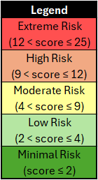
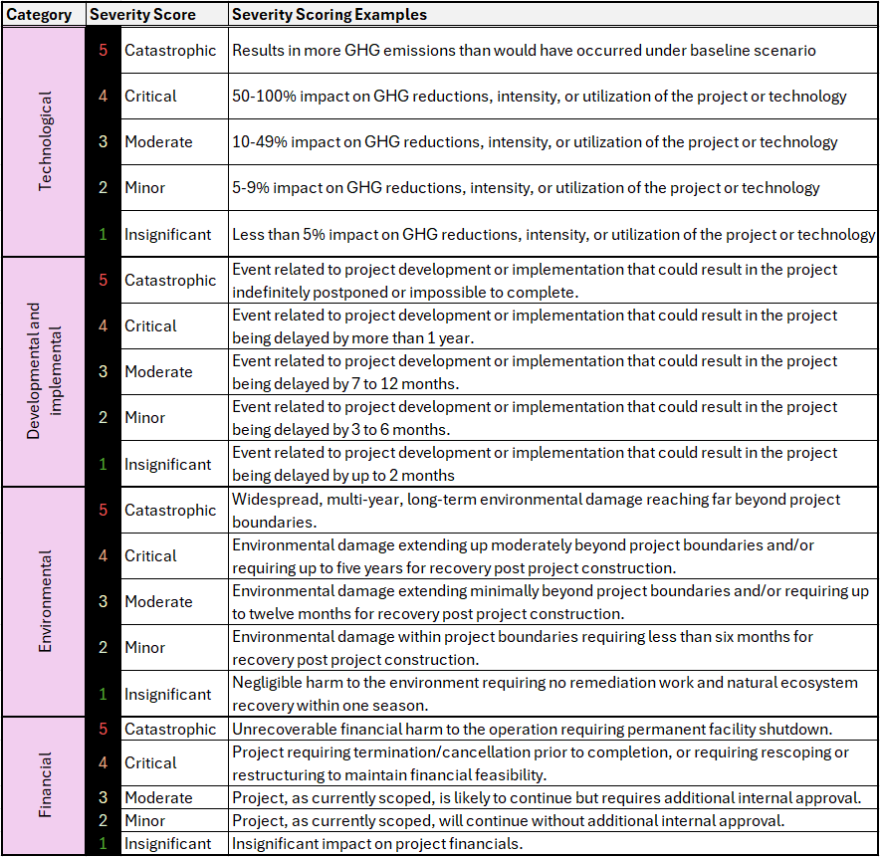
APPENDIX IA.3a - RISK ASSESSMENT
Instructions for this worksheet:
1 | For each Risk Assessment Category define all Risk Factors significant to the Project
2 | Failure to adequately identify, describe, and mitigate risks may disqualify the entire proposal
3 | For each project regulatory approval, permit, study, etc. listed under Section 4 "Schedule" of the Proposal Form include a Risk Factor in the Development and Implementation category
4 | For each Risk Factor enter all Inherent Risk, Risk Control, and Residual Risk entries using the additional instructions provided in the table below
5 | Scoring is based on detail and effectiveness of risk mitigations. Any risks discussed elsewhere in this Proposal but not also detailed here will result in a lower overall score
6 | Movable images of risk matrix legends can be found below the Risk Assessment Table and have been provided for ease of reference. Refer to subsequent tab for risk matrix legends
7 | Enter input in light blue shaded cells ONLY
8 | Add additional rows as necessary where indicated
<<< [-] Expand/Hide Instructions

Clean Industry Fund Proposal - Risk Assessment Table
Risk Assessment |  | Inherent Risk |  |  |  |  |  | Risk Control | Residual Risk
Category | Risk Factor | Event Description | Likelihood Description | Inherent Likelihood | Severity Description | Inherent Severity | Inherent Risk Score | Risk Control Actions (Provide for all moderate to extreme inherent risks) | Residual Likelihood | Residual Severity | Residual Risk Score | Risk Acceptance Rationale (Provide for all moderate to extreme residual risks)
Instructions | Risks associated with: | Describe potential event inherently at risk of occurring during or from this project if no risk controls are in place. | Describe the likelihood of the event, if no risk mitigation efforts are taken. Refer to the Likelihood Scoring Definitions table below. | Score from 1-5 (refer to criteria below) | Describe the worst credible severity of the event, if no risk mitigation efforts are taken. Refer to the Severity Scoring Examples table below. | Score from 1-5 (refer to criteria below) | Auto-calculated | For all inherent risks with a score five (5) or above, describe the risk controls that will be enacted to reduce the risk. How will these controls reduce the likelihood or severity? | Score from 1-5 (refer to criteria below) | Score from 1-5 (refer to criteria below) | Auto-calculated | For all residual risks with a score five (5) or above, provide a rationale for why the project will proceed without further risk mitigation. For residual risks scoring below 5: N/A.
Technological (Performance, functionality, and reliability • Operator familiarity • etc.) |  |  |  |  |  |  | 0 |  |  |  | 0
 |  |  |  |  |  |  | 0 |  |  |  | 0
 |  |  |  |  |  |  | 0 |  |  |  | 0
 |  |  |  |  |  |  | 0 |  |  |  | 0
 |  |  |  |  |  |  | 0 |  |  |  | 0
 | Add row above, as needed |  |  |  |  |  | 0 |  |  |  | 0
Developmental and implemental (Approvals, permits, and authorizations • Equipment availability • Labour availability • etc.) | Example: Equipment Availability | Example: The main filter required for this project is sourced from Europe and the delivery time may be longer than scheduled for. As the filter is required for startup, any delay has a negative impact on the project implementation schedule | Example: This is expected to occur once during the lifetime of the project | 3 | Example: It is understood that delivery of the filter should be less than 2 months but has the potential to take up to 8 months. As this filter is required for project startup, it has the potential to delay our implementation date by 6 months | 2 | 6 | Example: Preliminary engineering will ensure that the filter is selected early so procurement of the filter can occur before it is part of the critical path. We will be working with the filter supplier to maintain an understanding of their current lead times and ensure the filter is purchased more than 8 months in advance of when it is required on site. This ensures that any delay in procurement does not delay project implementation | 3 | 1 | 3
 |  |  |  |  |  |  | 0 |  |  |  | 0
 |  |  |  |  |  |  | 0 |  |  |  | 0
 |  |  |  |  |  |  | 0 |  |  |  | 0
 |  |  |  |  |  |  | 0 |  |  |  | 0
 |  |  |  |  |  |  | 0 |  |  |  | 0
 | Add row above, as needed |  |  |  |  |  | 0 |  |  |  | 0
Environmental (Human health • Wildlife • Air • Water • Soil • etc.) |  |  |  |  |  |  | 0 |  |  |  | 0
 |  |  |  |  |  |  | 0 |  |  |  | 0
 |  |  |  |  |  |  | 0 |  |  |  | 0
 |  |  |  |  |  |  | 0 |  |  |  | 0
 | Add row above, as needed |  |  |  |  |  | 0 |  |  |  | 0
Financial (Internal funding • External funding • etc.) |  |  |  |  |  |  | 0 |  |  |  | 0
 |  |  |  |  |  |  | 0 |  |  |  | 0
 |  |  |  |  |  |  | 0 |  |  |  | 0
 |  |  |  |  |  |  | 0 |  |  |  | 0
 | Add row above, as needed |  |  |  |  |  | 0 |  |  |  | 0
Other |  |  |  |  |  |  | 0 |  |  |  | 0
 |  |  |  |  |  |  | 0 |  |  |  | 0
 | Add row above, as needed |  |  |  |  |  | 0 |  |  |  | 0

