EP.0-Summary
APPENDIX EP.0 - SUMMARY (For program use only, DO NOT EDIT)

 | Clean Industry Fund Proposal - Summary of Project Funding Table
 |  | Amount ($CAD) | Percentage of total eligible expenses
 | Total project eligible expense estimate | $- | #DIV/0!
 | Funding requested from Clean Industry Fund (CIF will fund up to 50% of eligible expenses to a maximum of $10 million) | $- | #DIV/0!
 | Proponent minimum self-funding of eligible expenses | $- | 25%
 | Requested Funding from other Sources | $- | #DIV/0!
 | Approved Funding from other Sources | $- | #DIV/0!
 | Proponent’s cost to implement project | $- | #DIV/0!

 | Clean Industry Fund Proposal - Summary of GHG Impacts Table
 | from 2026-2036 (Inclusive) and in units of tCO₂e
 |  | Attributable | Associated | Total
 | Baseline GHG Emissions | - | - | -
 | Project Case GHG Emissions | - | - | -
 | Estimated GHG Emissions Reductions | - | - | -

 | Total Annual Project Emissions | Total Annual Emission Reductions
2022 | 0
2023 | 0
2024 | 0
2025 | 0
2026 | 0 | 0
2027 | 0 | 0
2028 | 0 | 0
2029 | 0 | 0
2030 | 0 | 0
2031 | 0 | 0
2032 | 0 | 0
2033 | 0 | 0
2034 | 0 | 0
2035 | 0 | 0
2036 | 0 | 0

 | Clean Industry Fund Proposal - Summary of Intensity Performance Table
 | Baseline Emission Intensity | #DIV/0! | tonnes CO₂e/[insert unit]
 | Target Emission Intensity | #DIV/0! | tonnes CO₂e/[insert unit]
 | Intensity Reduction | #DIV/0! | from Baseline Intensity

 | Clean Industry Fund Proposal - Summary of Financial Indicators Table
 | CIF Funding Intensity (Amount of CIF funding requested per tonne of CO₂e reduced) |  | #DIV/0! | /tCO₂e
 | Eligible Expense Intensity (Total eligible expenses per tonne of CO₂e reduced) |  | #DIV/0! | /tCO₂e

 |  | Project Payback | Net Present Value | Internal Rate of Return
 |  | years | $CAD
 | Without CIF Funding |  | $0.00 | #NUM!
 | With CIF Funding |  | $0.00 | #NUM!

EP.3a-Risk Assessment
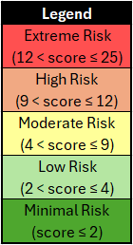
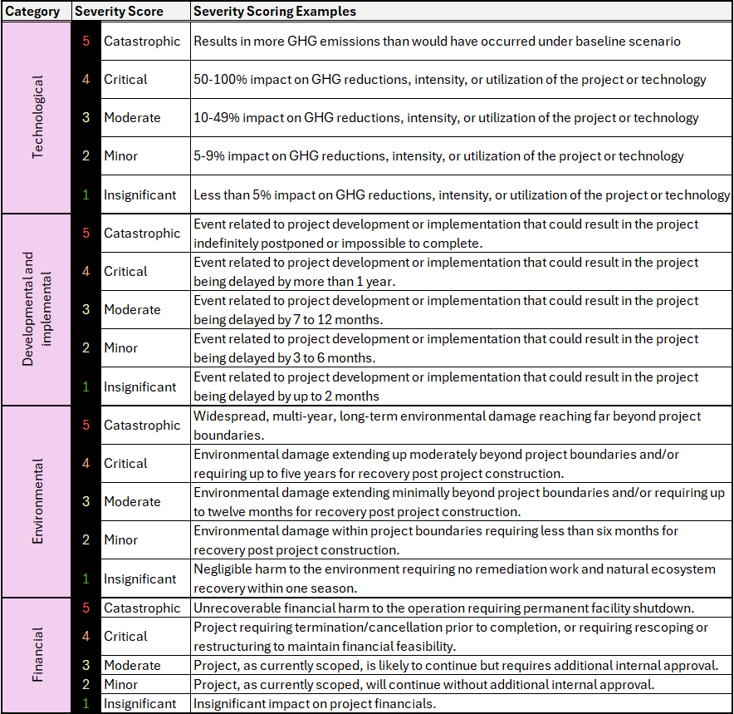
APPENDIX EP.3a - RISK ASSESSMENT
Instructions for this worksheet:
<<< [-] Expand/Hide Instructions

Clean Industry Fund Proposal - Risk Assessment Table
Risk Assessment |  | Inherent Risk |  |  |  |  |  | Risk Control | Residual Risk
Category | Risk Factor | Event Description | Likelihood Description | Inherent Likelihood | Severity Description | Inherent Severity | Inherent Risk Score | Risk Control Actions (Provide for all moderate to extreme inherent risks) | Residual Likelihood | Residual Severity | Residual Risk Score | Risk Acceptance Rationale (Provide for all moderate to extreme residual risks)
Instructions | Risks associated with: | Describe potential event inherently at risk of occurring during or from this project if no risk controls are in place. | Describe the likelihood of the event, if no risk mitigation efforts are taken. Refer to the Likelihood Scoring Definitions table below. | Score from 1-5 (refer to criteria below) | Describe the worst credible severity of the event, if no risk mitigation efforts are taken. Refer to the Severity Scoring Examples table below. | Score from 1-5 (refer to criteria below) | Auto-calculated | For all inherent risks with a score five (5) or above, describe the risk controls that will be enacted to reduce the risk. How will these controls reduce the likelihood or severity? | Score from 1-5 (refer to criteria below) | Score from 1-5 (refer to criteria below) | Auto-calculated | For all residual risks with a score five (5) or above, provide a rationale for why the project will proceed without further risk mitigation. For residual risks scoring below 5: N/A.
Technological (Performance, functionality, and reliability • Operator familiarity • etc.) | Example: Operator Familiarity | Example: The Plant operators are unable to maintain consistent operation of the dewatering equipment installed with the project, and additional maintenance downtime is required | Example: It is expected that there will be multiple instances within the life of the project where maintenance will be required at more frequent intervals than what has been originally considered for the project. | 4 | Example: The worst credible outcome from this event is that the GHG reductions from the project are 10-49% less than projected. | 3 | 12 | Example: To control this risk we will be contracting the equipment manufacturer to maintain the dewatering equipment. They will perform regular spot checks and perform maintenance during each of our planned plant downtime periods such that no additional downtime is expected. Additionally, the equipment manufacturer will provide ongoing maintenance education and information to Plant Operators to improve staff knowledge and reduce the likelihood of unexpected interruptions. | 1 | 3 | 3
 |  |  |  |  |  |  | 0 |  |  |  | 0
 |  |  |  |  |  |  | 0 |  |  |  | 0
 |  |  |  |  |  |  | 0 |  |  |  | 0
 |  |  |  |  |  |  | 0 |  |  |  | 0
 | Add row above, as needed |  |  |  |  |  | 0 |  |  |  | 0
Developmental and implemental (Approvals, permits, and authorizations • Equipment availability • Labour availability • etc.) |  |  |  |  |  |  | 0 |  |  |  | 0
 |  |  |  |  |  |  | 0 |  |  |  | 0
 |  |  |  |  |  |  | 0 |  |  |  | 0
 |  |  |  |  |  |  | 0 |  |  |  | 0
 |  |  |  |  |  |  | 0 |  |  |  | 0
 |  |  |  |  |  |  | 0 |  |  |  | 0
 | Add row above, as needed |  |  |  |  |  | 0 |  |  |  | 0
Environmental (Human health • Wildlife • Air • Water • Soil • etc.) |  |  |  |  |  |  | 0 |  |  |  | 0
 |  |  |  |  |  |  | 0 |  |  |  | 0
 |  |  |  |  |  |  | 0 |  |  |  | 0
 |  |  |  |  |  |  | 0 |  |  |  | 0
 | Add row above, as needed |  |  |  |  |  | 0 |  |  |  | 0
Financial (Internal funding • External funding • etc.) |  |  |  |  |  |  | 0 |  |  |  | 0
 |  |  |  |  |  |  | 0 |  |  |  | 0
 |  |  |  |  |  |  | 0 |  |  |  | 0
 |  |  |  |  |  |  | 0 |  |  |  | 0
 | Add row above, as needed |  |  |  |  |  | 0 |  |  |  | 0
Other |  |  |  |  |  |  | 0 |  |  |  | 0
 |  |  |  |  |  |  | 0 |  |  |  | 0
 | Add row above, as needed |  |  |  |  |  | 0 |  |  |  | 0

