Hierarchy of Controls
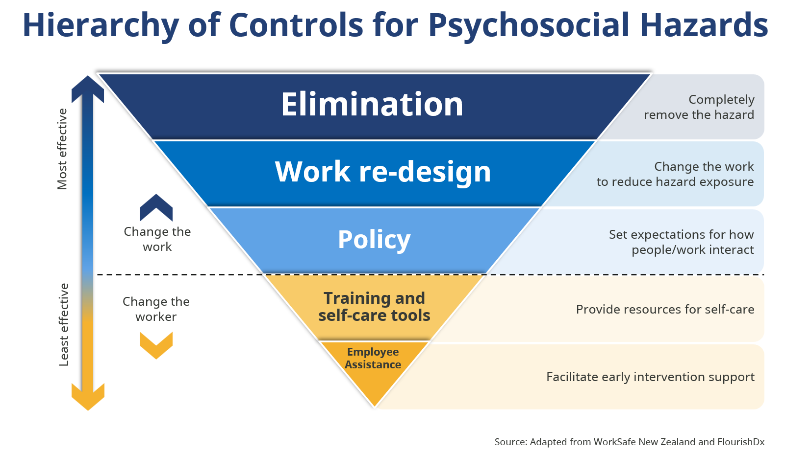

Hierarchy of Controls for Psychosocial Hazards - Text Version
The image presents the "Hierarchy of Controls for Psychosocial Hazards" as an inverted pyramid with five distinct levels, arranged from top (most effective) to bottom (least effective).
Each level represents a different type of control strategy used to manage psychosocial risks in the workplace.
1. Elimination (dark blue, top of pyramid)
This is the most effective control. Completely remove the hazard.
2. Work Re-design (medium blue)
Focus on changing the work to reduce hazard exposure.
3. Policy (light blue)
Set expectations for how people/work interact.
4. Training and Self-Care Tools (light yellow)
Provide employees with resources and tools for self-care.
5. Employee Assistance (dark yellow, bottom of pyramid)
This is the least effective control. Facilitate early intervention support, such as access to counseling services or employee assistance programs.
To the left of the pyramid, an arrow labeled “Most effective” points upward, indicating that controls at the top are more effective. An arrow labeled “Least effective” points downward, showing that controls at the bottom are less effective.
To the right of the pyramid, each level is accompanied by a brief description of its function.
Source: Adapted from WorkSafe New Zealand and FlourishDx

